Tree biomass
Calculator for total tree carbon. Insert tree circumference (cm) in green cell only.
Total tree carbon, including roots, is given as kilograms in yellow cell
Ignore all other columns and cells
 | Circumference |  |  | DBH
 | (at 130cm) |  |  | (at 130cm)
 | 0 |  |  | 0.00

Biomass Calculations | Tree | Total Carbon | Total Carbon | Carbon Dioxide
Based on Snowdon et al (2000) | Biomass |  | Inc.Roots | Equivalent
 | (kg) | (kg) | (kg) | (kg)

 | #NUM! | #NUM! | #NUM! | #NUM!

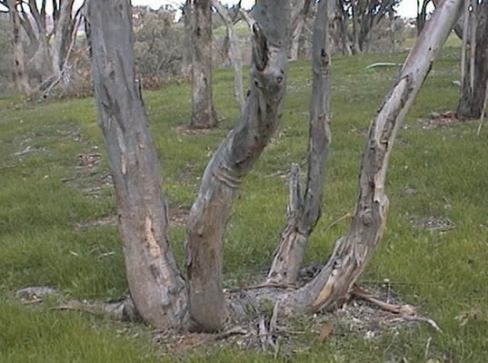
For trees that have more than one trunk or stem
Calculator for equivalent circumference for tree with up to 5 stems
Enter the number given in the blue cell in the green cell above

Stem Circumference cm | Area | Equivalent circumference
0 | 0.00
0.00 | 0.00
0.00 | 0.00
0.00 | 0.00
0.00 | 0.00
Total | 0.00 |  | 0.00

